Sheet1
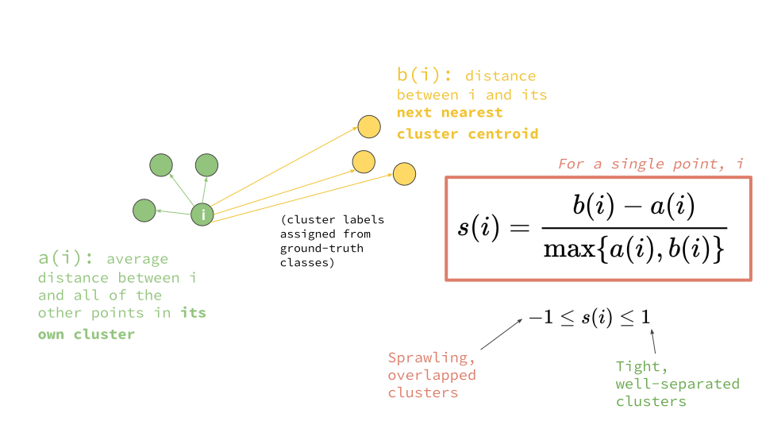
 | x | y | Cluster | a(i)
i | 1 | 4 | A
 | 3 | 5 | A | 2.2360679775
 | 4 | 3 | A | 3.1622776602
 | 15 | 13 | B
 | 14 | 16 | B
 | 16 | 15 | B

 |  |  | a(i) | 2.6992
 |  |  | b(i) | 17.6005
 |  |  | s(i) | 0.84664230872

 | B Centroid | 15 | 14.666666667

